About
BVS BAU Vehicle Subsidy

Sources: | Federal IRA Incentives
 | ICCT and Energy Innovation
 | 2023
 | https://energyinnovation.org/publication/analyzing-the-impact-of-the-inflation-reduction-act-on-electric-vehicle-uptake-in-the-united-states/

 | Foreign Entities of Concern Multiplier
 | BloombergNEF, MarkLines, Department of Energy

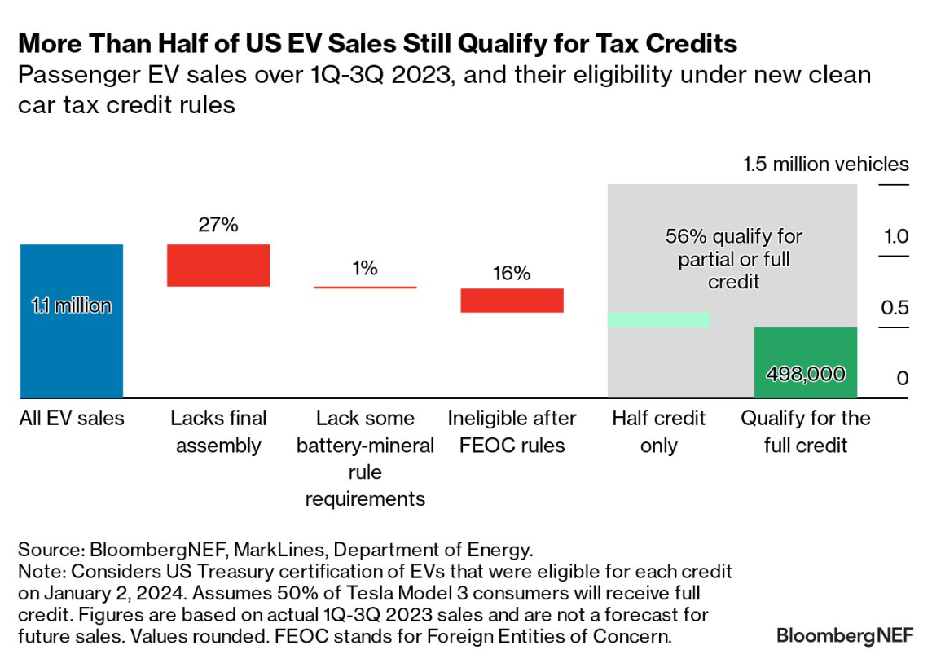

Future Inflation Assumption
3%

